Common size BL.
COMMON SIZE Balance Sheet (2021-2023)

2021 | ZOMATO (Cr) | ZOMATO % of Sales | NYKAA (Cr) | NYKAA % Of Sales | MAMAEARTH (Cr) | MAMAEARTH % Of Sales | DELHIVERY (Cr) | DELHIVERY % Of Sales
Total Assets | 8704 | 100% | 1302 | 100% | 303 | 100% | 4598 | 100%
Equity Capital | 0 | 0% | 15 | 1% | 0.01 | 0% | 2 | 0%
Reserves | 7644 | 88% | 475 | 36% | -1765 | -583% | 2800 | 61%
Borrowings + | 527 | 6% | 333 | 26% | 1974 | 651% | 1152 | 25%
Other Liabilities + | 532 | 6% | 479 | 37% | 94 | 31% | 644 | 14%
Total Liabilities | 8704 | 100% | 1302 | 100% | 303 | 100% | 4598 | 100%
Fixed Assets + | 1539 | 18% | 231 | 18% | 21 | 7% | 1053 | 23%
CWIP | 0 | 0% | 2 | 0% | 0 | 0% | 77 | 2%
Investments | 2205 | 25% | 1 | 0% | 164 | 54% | 1128 | 25%
Other Assets + | 4959 | 57% | 1067 | 82% | 118 | 39% | 2340 | 51%

2022 | ZOMATO (Cr) | ZOMATO % of Sales | NYKAA (Cr) | NYKAA % Of Sales | MAMAEARTH (Cr) | MAMAEARTH % Of Sales | DELHIVERY (Cr) | DELHIVERY % Of Sales
Total Assets | 17327 | 100% | 2646 | 100% | 952 | 100% | 8251 | 100%
Equity Capital | 764 | 4% | 47 | 2% | 0.01 | 0% | 64 | 1%
Reserves | 15741 | 91% | 1292 | 49% | 712 | 75% | 5893 | 71%
Borrowings + | 70 | 0% | 593 | 22% | 0 | 0% | 1102 | 13%
Other Liabilities + | 751 | 4% | 714 | 27% | 240 | 25% | 1192 | 14%
Total Liabilities | 17327 | 100% | 2646 | 100% | 952 | 100% | 8251 | 100%
Fixed Assets + | 1404 | 8% | 483 | 18% | 98 | 10% | 3052 | 37%
CWIP | 1 | 0% | 24 | 1% | 2 | 0% | 60 | 1%
Investments | 4718 | 27% | 0 | 0% | 532 | 56% | 2091 | 25%
Other Assets + | 11204 | 65% | 2138 | 81% | 321 | 34% | 3048 | 37%

2023 | ZOMATO (Cr) | ZOMATO % of Sales | NYKAA (Cr) | NYKAA % Of Sales | MAMAEARTH (Cr) | MAMAEARTH % Of Sales | DELHIVERY (Cr) | DELHIVERY % Of Sales
Total Assets | 21599 | 100% | 2950 | 100% | 949 | 100% | 11191 | 100%
Equity Capital | 836 | 4% | 285 | 10% | 136 | 14% | 73 | 1%
Reserves | 18624 | 86% | 1093 | 37% | -1302 | -137% | 9104 | 81%
Borrowings + | 507 | 2% | 798 | 27% | 1866 | 197% | 923 | 8%
Other Liabilities + | 1632 | 8% | 773 | 26% | 249 | 26% | 1090 | 10%
Total Liabilities | 21599 | 100% | 2950 | 100% | 949 | 100% | 11191 | 100%
Fixed Assets + | 6344 | 29% | 699 | 24% | 126 | 13% | 2995 | 27%
CWIP | 7 | 0% | 31 | 1% | 0 | 0% | 23 | 0%
Investments | 6765 | 31% | 38 | 1% | 392 | 41% | 2094 | 19%
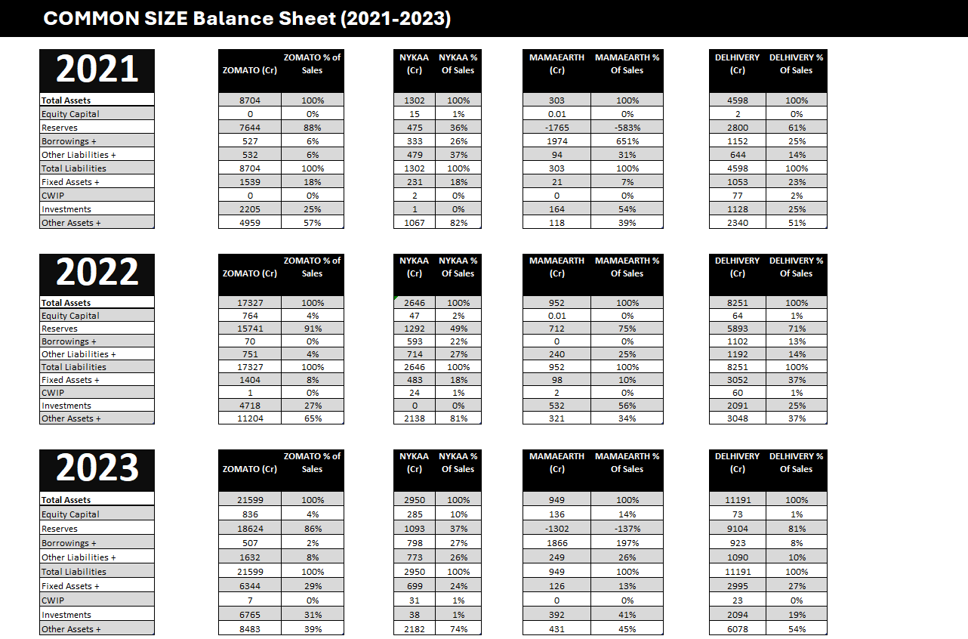
Other Assets + | 8483 | 39% | 2182 | 74% | 431 | 45% | 6078 | 54%
 |  |  |  |  |  |  |  |  |  | ZOMATO | NYKAA | MAMAEARTH | DELHIVERY
 |  |  |  |  |  |  |  |  | Total Assets | 100% | 100% | 100% | 100%
 |  |  |  |  |  |  |  |  | Equity Capital | 4% | 10% | 14% | 1%
 |  |  |  |  |  |  |  |  | Reserves | 86% | 37% | -137% | 81%
 |  |  |  |  |  |  |  |  | Borrowings + | 2% | 27% | 197% | 8%
 |  |  |  |  |  |  |  |  | Other Liabilities + | 8% | 26% | 26% | 10%
 |  |  |  |  |  |  |  |  | Total Liabilities | 100% | 100% | 100% | 100%
 |  |  |  |  |  |  |  |  | Fixed Assets + | 29% | 24% | 13% | 27%
 |  |  |  |  |  |  |  |  | CWIP | 0% | 1% | 0% | 0%
 |  |  |  |  |  |  |  |  | Investments | 31% | 1% | 41% | 19%
 |  |  |  |  |  |  |  |  | Other Assets + | 39% | 74% | 45% | 54%

Dashboard
Main Problem Statement : |  | This Project aims to evaluate the financial health and performance of Zomato,Nykaa,Mamaearth and Delhivery
 | using key financial metrics to help identify the most promising company from an investor perspective.

DASHBOARD
Zomato Net Profit
( ₹ 971 Cr)
Nykaa Net Profit
₹ 21 Cr
Mamaearth Net Profit
( ₹ 121 Cr )
Delhivery Net Profit
( ₹ 1,008 Cr )


Proportional P&L Structure of a Company
 | Expenses + | Other Income + | Interest | Depreciation | Tax % | Net Profit +
ZOMATO | 117.11% | 9.63% | 0.69% | 6.17% | 0.00% | -13.72%
NYKAA | 95.00% | 0.58% | 1.48% | 3.36% | 0.01% | 0.41%
MAMAEARTH | 96.77% | -9.46% | 0.36% | 1.08% | 0.01% | -8.67%
DELHIVERY | 106.26% | 4.42% | 1.23% | 11.50% | 0.00% | -13.95%
Capital Structure Breakdown
 | Equity Capital | Reserves | Borrowings + | Other Liabilities +
100% | 4% | 86% | 2% | 8%
Cash Dependency Ratio - FY2021 TO FY2023
 | ZOMATO | NYKAA | MAMAEARTH | DELHIVERY
FY 2021 | -6.2888015717 | -0.28571428571 | -0.033333333333 | -29.4
FY 2022 | -12.626262626 | -2.6186440678 | 9.25 | -12.041493776
FY 2023 | 0.15047393365 | -0.035714285714 | 0.30434782609 | -117.93333333

Select Company | Delhivery

Net Profit Margin | -13.95%
Operating Profit Margin | -6.26%
EPS Growth | -12.19%
ROE | -10.98%
Debt to Equity | 10.06%
Asset Turnover Ratio | 64.56%

YOY Revenue Growth(%) - 2021 & 2023
Profit Impact Based on Revenue and Expense Growth
YOY Net Profit Growth(%)- 2022 & 2023
 | REVENUE
ZOMATO | 7079
NYKAA | 5144
MAMAEARTH | 1395
DELHIVERY | 7225
 | ZOMATO | NYKAA | MAMAEARTH | DELHIVERY
-10% | -10% | -10% | -10% | -10%
-10% | 0% | 0% | 0% | 0%
-10% | 10% | 10% | 10% | 10%
-10% | 20% | 20% | 20% | 20%
0% | -10% | -10% | -10% | -10%
0% | 0% | 0% | 0% | 0%
0% | 10% | 10% | 10% | 10%
0% | 20% | 20% | 20% | 20%
10% | -10% | -10% | -10% | -10%
10% | 0% | 0% | 0% | 0%
10% | 10% | 10% | 10% | 10%
10% | 20% | 20% | 20% | 20%
20% | -10% | -10% | -10% | -10%
20% | 0% | 0% | 0% | 0%
20% | 10% | 10% | 10% | 10%
20% | 20% | 20% | 20% | 20%
 | FY22 GROWTH | FY23 GROWTH
ZOMATO | 49.8% | -20.5%
NYKAA | -33.9% | -48.8%
MAMAEARTH | -101.5% | -705.0%
DELHIVERY | 143.0% | -0.3%
 | FY22 GROWTH | FY23 GROWTH
ZOMATO | 110.2% | 68.9%
NYKAA | 54.6% | 36.3%
MAMAEARTH | 102.6% | 49.7%
DELHIVERY | 88.7% | 5.0%

